11-2 Overview
 |  |  |  |  |  |  |  |  |  |  | LCA system

 |  | Hull & Deck |  |  |  |  | Appendages |  |  | Sails |  |  |  | Rigging |  |  | Deck Hardware | Design | Electronics | Hydraulics | Propulsion

Plugs and moulds | Hull | Deck | Structure |  | Misc. composite parts | Rudders | Keel |  | Foils | Sails | Boom |  | Mast | Outriggers | Running Rigging | Standing rigging | Deck Hardware | Design | Electronics | Hydraulics | Propulsion | Data quality hierarchy

Hull Plug | Hull shell | Deck shell | Hull and deck assembly | - | Jockey pole | Rudder case | Keel fin |  | Foils | Main sail | Boom |  | Mast | Outriggers | Core | Standing rigging | Deck Gear | Design | Displays | Deck hydraulic system | Engine, drive shaft and propeller | 1. Extracted from inventory software or input forms, exact numbers
 |  |  |  |  |  |  |  |  |  |  |  |  |  |  |  |  |  |  |  |  |  | 2. Extrapolated from similar componet input forms
Hull mould |  |  | Bulkheads |  | Chain plates | Rudder moulds; blades and stock | Keel trailing edge | - |  | J2 | Boom hardware | - | Mast hardware | Outrigger hardware | Covers |  | Furlers |  | Sensors | Keel hydraulic system |  | 3. Based on observations but not input data
 |  |  |  |  |  |  |  |  |  |  |  |  |  |  |  |  |  |  |  |  |  | 4. Supported by Michel theoretical study
Deck plug |  |  | Tunnel |  | Winch pods |  | Keel bulb |  |  | J3 |  |  |  |  | Dockline |  | Life Lines and Pulpit |  | Computing |  |  | 5. Estimate

Deck mould |  |  | Longitudinal girders |  | Hatches |  | Keel bearings |  |  | J15 |  |  |  |  |  |  | Steering System |  | Batteries

Deck mock up |  |  | Cockpit |  | Coach roof |  |  |  |  | MH0 |  |  |  |  |  |  | Winches and Transmission |  | Cables

 |  |  | Ballast |  | Bowsprit; plug, mould, part |  |  |  |  | FR0 |  |  |  |  |  |  |  |  | Electric Motors

 |  |  | Consumables and utilities |  | Composite ballast pipes |  |  |  |  | J0 |  |  |  |  |  |  |  |  | Other

 |  |  | Keel box; plug, mould and part |  | Painting |  |  |  |  | A7 |  |  |  |  |  |  |  |  |  |  | KEY

 |  |  | Keel Tower |  |  |  |  |  |  | A2 |  |  |  |  |  |  |  |  |  |  | GROUP

 |  |  | Foil cases |  |  |  |  |  |  | Storm jib |  |  |  |  |  |  |  |  |  |  | SUBGROUP

 |  |  | Foil case structure |  |  |  |  |  |  |  |  |  |  |  |  |  |  |  |  |  | ASSESSMENT

 |  |  | Functional unit: |  |  | 11th Hour Racing Team optimised for TOR campaign

 |  | Construction |  |  |  |  | Appendages |  |  |  |  |  | Rigging |  |  |  | Deck Hardware | Design | Electronics | Hydraulics | Engine

 | Hull | Deck | Structure |  | Other parts | Rudders | Keel |  | Foils | Sails | Boom |  | Mast | Outriggers | Running Rigging | Standing rigging

 |  |  |  |  |  | Rudders x1; blades and stocks |  |  | Foils x1 (TBC/C3?) | Main sail x 2 |  |  |  |  | Core x 1 | Stays x 1

 |  |  |  |  |  |  |  |  |  | J2 x 1 |  |  |  |  | Covers x 1 | Shrouds x 1

 |  |  |  |  |  |  |  |  |  | J3 x 1 |  |  |  |  | Dockline x 1 | Runners x 1

 |  |  |  |  |  |  |  |  |  | J15 x 1 |  |  |  |  | Fenderline x 1 | Hardware x 1

 |  |  |  |  |  |  |  |  |  | MH0 x 1

 |  |  |  |  |  |  |  |  |  | FR0 x 1

 |  |  |  |  |  |  |  |  |  | J0 x 1

 |  |  |  |  |  |  |  |  |  | A7 x 1

 |  |  |  |  |  |  |  |  |  | A2 x 1

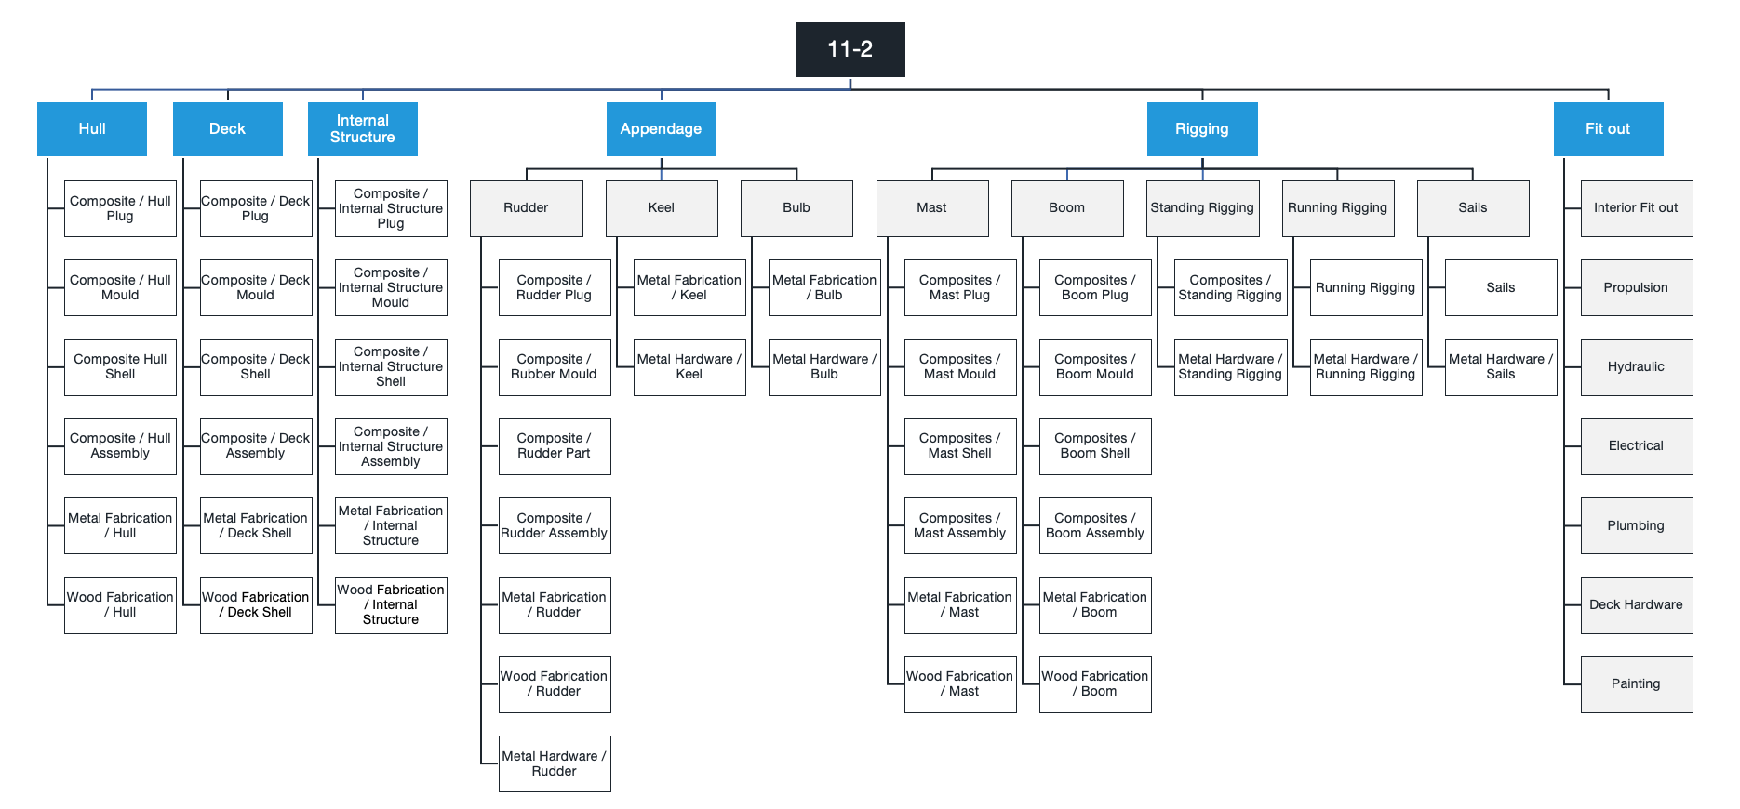

 |  |  | Functional unit: |  |  | 11th Hour Racing Team optimised for TOR campaign

 |  |  | Construction |  |  |  | Appendage |  |  |  |  |  | Rigging |  |  |  | Fit out

 |  |  | Assemblies |  |  | Rudder | Keel |  | Foils | Sails | Boom |  | Outriggers

 |  |  | Bulkheads |  |  |  | Keel fin |  | Foils 1 - CDK | Main sail x 3 | Boom |  | Outrigger x 2

 |  |  | Deck |  |  |  | Keel trailing edge |  | Foils 2 - C3 (not ordered - TBC) | J2 x 2 | Boom hardware

 |  |  | Hull |  |  |  | Keel bulb |  |  | J3 x 2 | Boom air freight

 |  |  | Structure |  |  |  |  |  |  | J15 x 2

 |  |  | Other parts |  |  |  |  |  |  | MH0 x 2

 |  |  |  |  |  |  |  |  |  | FR0 x 2

 |  |  |  |  |  |  |  |  |  | J0 x 2

 |  |  |  |  |  |  |  |  |  | A7 x 2

 |  |  |  |  |  |  |  |  |  | A2 x 2

 |  |  |  |  |  |  |  |  |  | Storm jib x 1

 |  |  |  |  |  |  |  |  | Etienne extended til end of TJV - would be able to achieve..... |  |  |  |  |  |  | Dates

 |  |  |  |  |  |  |  |  | Current Status | CDK LCA will be complete by Monday dat ainput and calc (not interpretation) |  |  |  |  |  | Now - 20/9/21

 |  |  |  |  |  |  |  |  | Next step | Support to complete additional appendages and components |  |  |  |  |  | 20/9/21 - 27/9/21

 |  |  |  |  |  |  |  |  | Extra time | Interpretation of results (plus waste and energy case studies) |  |  |  |  |  | 27/9/21 - 5/10/21
 |  |  |  |  |  |  |  |  |  | Run sensitivity studies and case studies |  |  |  |  |  | 5/10/21 - 19/10/21
 |  |  |  |  |  |  |  |  |  | Make full set of conclusions and recommendations |  |  |  |  |  | 12/10/21 -19/10/21 (In parallel)
 |  |  |  |  |  |  |  |  |  | Internal review and translation |  |  |  |  |  | 19/10/21 - 27/10/21
 |  |  |  |  |  |  |  |  |  | Produce and share with stakeholder reports (report/poster) |  |  |  |  |  | 19/10/21 - 27/10/21
 |  |  |  |  |  |  |  |  |  | Outreach and presentations at TJV |  |  |  |  |  | 27/10/21 - 7/11/21

