SUMMARY
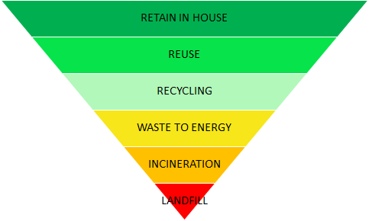
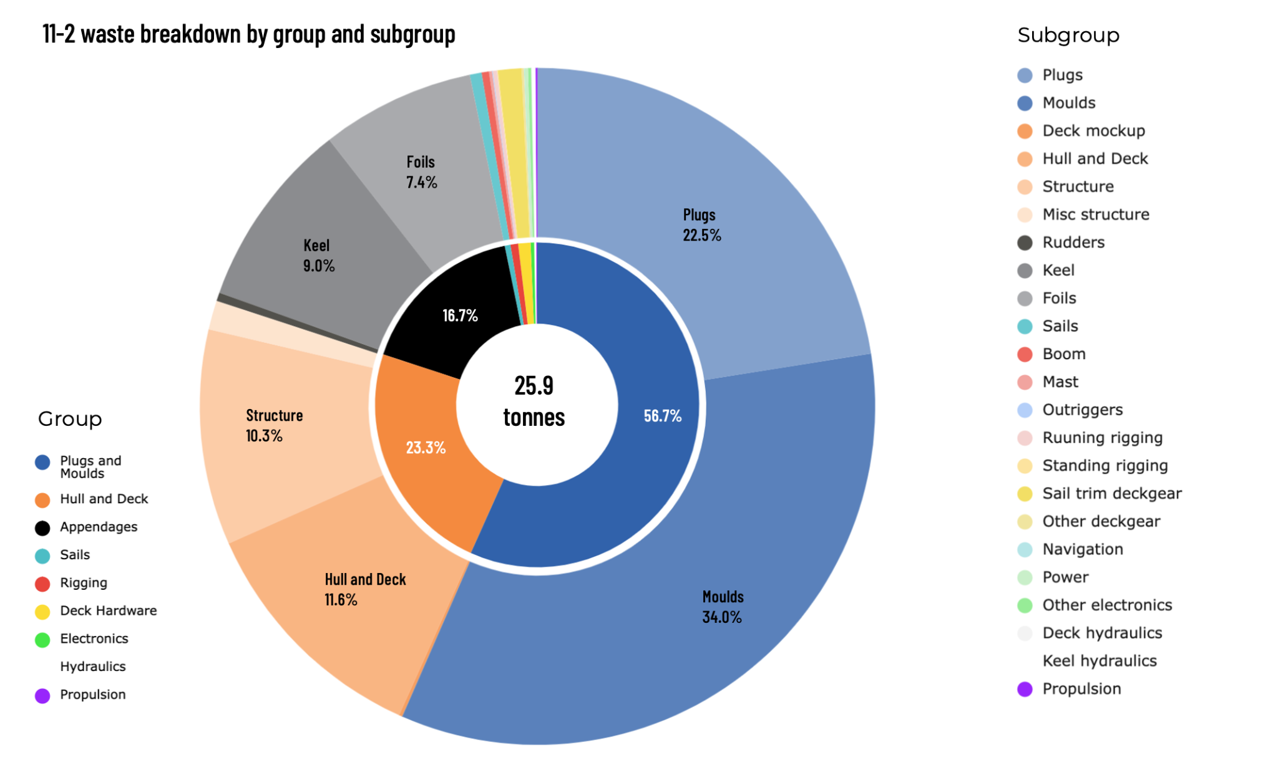
11-2 waste breakdown by material type and destination
 | Composites*** | Plastics** | Consumables* | Wood | Metal | Electrical****
Retain in house | 94.00
Reuse | 3,258.00 |  |  |  | 4,250.00
Recycling | 4,899.00 |  |  | 42.00 | 2,492.39
Waste to energy | 1,112.25 |  | 4,645.54 | 0.50
Incineration
Landfill | 2,721.33 | 78.43 | 2,087.83 |  |  | 10.89
BREAKDOWN OF TOTAL MATERIAL/RESOURCE MANAGEMENT BOAT LAUNCHED READY TO SAIL

Kg | Composites*** | Plastics** | Consumables* | Wood | Metal | Electrical**** | Total
Retain in house | 94.00 |  |  |  |  |  | 94.00
Reuse | 3,258.00 |  |  |  | 4,250.00 |  | 7,508.00
Recycling | 4,899.00 |  |  | 42.00 | 2,492.39 |  | 7,433.39
Waste to energy | 1,112.25 |  | 4,645.54 | 0.50 |  |  | 5,758.29
Incineration |  |  |  |  |  |  | 0.00
Landfill | 2,721.33 | 78.43 | 2,087.83 |  |  | 10.89 | 4,898.48
Total | 12,084.58 | 78.43 | 6,733.37 | 42.50 | 6,742.39 | 10.89 | 25,692.15
11-2 waste breakdown by component source
Plugs and Moulds | 14,714.12
Hull and Deck | 6,051.78
Appendages | 4,343.70
Sails | 147.36
Rigging | 200.97
Deck Hardware | 320.32
Electronics | 90.58
Hydraulics | 54.01
Propulsion | 22.53
 |  |  |  |  |  |  |  | Definitions * Prepreg backing, pots and stirrers, vacuum bags, peelply, mesh ** PVC, PET, Aramid, Dyneema, Polyester, UHMWPE, Paint *** Carbon fibre, glass fibre, resin, foam, balsa, honeycomb nomex, EPS, **** Cabling, computers Waste hierarchy

Summary Group
11-2 Waste breakdown by subgroup
PLUGS AND MOULDS | PLUGS AND MOULDS | HULL PLUG | 592.96 | GROUP | Kg WASTE | %
 |  |  | 2,585.20
 |  | DECK PLUG | 654.50 | Plugs and Moulds | 14,714.12 | 56.7
 |  |  | 2,006.50 | Hull and Deck | 6,051.78 | 23.3
 |  | HULL MOULD | 860.16 | Appendages | 4,343.70 | 16.7
 |  |  | 3,744.00 | Sails | 147.36 | 0.6
 |  | DECK MOULD | 749.30 | Rigging | 200.97 | 0.8
 |  |  | 3,479.50 | Deck Hardware | 320.32 | 1.2
 |  | DECK MOCK UP | 22.00 | Electronics | 90.58 | 0.3
 |  | DECK MOCK UP MODIFICATIONS | 20.00 | Hydraulics | 54.01 | 0.2
HULL & DECK | HULL & DECK | HULL SHELL | 2,770.00 | Propulsion | 22.53 | 0.1
 |  | DECK SHELL | 251.50
 | STRUCTURE | HULL AND DECK ASSEMBLY | 4.00
 |  | BULKHEADS | 428.00
 |  | TUNNEL | 12.30 | Sub-Group | Kg WASTE | %
 |  | LONGITUDINAL GIRDERS | 12.20 | Plugs | 5,839.00 | 22.5
 |  | COCKPIT | 82.50 | Moulds | 8,833.00 | 34.0
 |  | BALLAST | 42.00 | Deck mockup | 42.00 | 0.2
 |  | CONSUMABLES AND UTILITIES | 1,134.00 | Hull and Deck | 3,021.50 | 11.6
 |  | KEEL BOX PLUG | 6.40 | Structure | 2,670.00 | 10.3
 |  |  | 268.20 | Misc structure | 361.00 | 1.4
 |  | KEEL BOX MOULD | 72.72 | Rudders | 104.74 | 0.4
 |  |  | 284.50 | Keel | 2,330.00 | 9.0 | 2.00E+23
 |  | KEEL TOWER | 69.00 | Foils | 1,908.00 | 7.4
 |  | FOIL CASES | 77.00 | Sails | 147.00 | 0.6
 |  | FOIL CASE STRUCTURE | 176.70 | Boom | 92.00 | 0.4
 | MISC STRUCTURE | CHAIN PLATES | 7.00 | Mast | 36.00 | 0.1 | 2.00E+23
 |  | WINCH PODS | 127.00 | Outriggers | 11.00 | 0.0
 |  | COACH ROOF | 3.90 | Running rigging | 50.00 | 0.2
 |  | BOWSPRIT PLUG | 5.50 | Standing rigging | 11.00 | 0.0
 |  |  | 46.14 | Sail trim deckgear | 292.00 | 1.1
 |  | BOWSPRIT MOULD | 17.00 | Other deckgear | 28.00 | 0.1
 |  |  | 130.98 | Navigation | 7.00 | 0.0
 |  | BOWSPRIT | 12.41 | Power | 45.00 | 0.2
 |  | BALLAST PIPES | 10.83 | Other electronics | 38.00 | 0.1
APPENDAGES | RUDDERS | RUDDER CASE | 40.50 | Deck hydraulics | 8.00 | 0.0
 |  | RUDDERS | 64.84 | Keel hydraulics | 46.00 | 0.2
 | KEEL | KEEL FIN | 2,096.50 | Propulsion | 23.00 | 0.1
 |  | KEEL TRAILING EDGE | 11.81
 |  | KEEL BULB | 113.15 | Total (Check) | 25,943.24
 |  | KEEL BEARINGS | 108.90
 | FOILS | FOIL SET | 1,908.00
 |  | FOIL BEARINGS | 0.00
SAILS | SAILS | MAIN SAIL | 20.48
 |  | J2 | 15.37
 |  | J3 | 8.02
 |  | J15 | 15.35
 |  | MH0 | 20.81
 |  | FR0 | 16.95
 |  | J0 | 15.33
 |  | A7 | 17.49
 |  | A2 | 13.99
 |  | STORM JIB | 3.57
RIG | BOOM | BOOM | 90.14
 |  | BOOM HARDWARE | 1.89
 | MAST | MAST | 36.44
 |  | MAST HARDWARE | 0.00
 | OUTRIGGERS | OUTRIGGERS | 10.39
 |  | OUTRIGGER HARDWARE | 0.33
 | RUNNING RIGGING | CORE | 25.52
 |  | COVERS | 21.60
 |  | DOCKLINE | 3.32
 | STANDING RIGGING | STANDING RIGGING | 11.30
 |  | STANDING RIGGING HARDWARE | 0.04
DECK HARDWARE | SAIL TRIM DECKGEAR | FURLERS | 268.25
 |  | DECK GEAR | 11.74
 |  | WINCHES AND TRANSMISSION | 12.34
 | OTHER DECKGEAR | STEERING SYSTEM | 18.64
 |  | LIFE LINES AND PULPIT | 9.34
DESIGN | DESIGN | DESIGN | 0.00
ELECTRONICS | NAVIGATION | DISPLAYS | 0.76
 |  | SENSORS | 3.73
 |  | COMPUTING | 3.00
 | POWER | BATTERIES | 18.38
 |  | CABLES | 21.36
 |  | ELECTRIC MOTORS | 5.45
 | OTHER ELECTRONICS | OTHER ELECTRONICS | 37.90
HYDRAULICS | DECK HYDRAULICS | DECK HYDRAULIC SYSTEM | 8.32
 | KEEL HYDRAULICS | KEEL HYDRAULIC SYSTEM | 45.69
PROPULSION | PROPULSION | ENGINE, DRIVE SHAFT AND PROP | 22.53
 |  | TOTAL (Check) | 25,945.36

